Construction Mat
 | Construction Mats Using The GeoTerra System
PROJECT | PRXXXX - Name |  |  | DATE
 |  |  |  | TODAY
INPUT PARAMETERS
English or Metric |  | M
Geosystems Product |  | GeoTerra
Structural Equivalency in Crushed Aggregate |  | 300 mm | Basic Research Information
Geotextile (See Note 1) |  | Non-woven | Bearing Capacity Coefficient (Nc) = | 2.8
Vehicle Type |  | H-15 | AASHTO vehicle loading standards. If heavier vehicles are used, input specific values below.

Typical Access Description |  | Light Fire Truck or Medium Construction Equipment
AASHTO Tire Pressure (kPa) |  | 586 | Specified Tire Pressure (kPa) | 310
AASHTO Vehicle Load (kN) |  | 267 | Specified Vehicle Load (kN) | 36
AASHTO Single Axle Loading (kN) |  | 110 | Specified Single Axle Loading (kN) | 110
Subgrade Strength Parameter |  | California Bearing Ratio
Subgrade Strength Value (%) |  | 2.0 | CBR Correlation Descriptions
Ground Slope (%) |  | 0-2 | Flat Slope
Sub Grade Soil Type |  | Clay | Soil is considered impervious and will not inflitrate
Shear Strength, Cu (kPa) |  | 30 | Cu = 15 x CBR
Allowable Bearing Capacity, qa (kPa) |  | 84.00 | qa = Nc x Cu
Thickness W/O " GeoTerra (cm) |  | 49.07 | Aggregate + Non-woven Geotextile

DESIGN GUIDELINES
Geosystems Product Depth (mm) |  | 50.0 | See Note 2
Recommended Base Depth (mm) |  | 25.0 | Crushed Aggregate Base
Required Accessories |  | PadLoc Connection Devices (6 per panel), Lifting Lever, and Torsion Tool

Notes:
1. If the CBR < 3% or has a high silt content (> 15%) and low plasticity (PI < 5%), an enhanced woven geotextile is recommended. Contact Presto for more details (Ph: 800-548-3424).
2. Refer to the GeoTerra Application and Installation Guide for a complete description of the design and construction methods.
https://www.prestogeo.com/wp-content/uploads/2016/10/GT-GEOTERRA-Specification-and-Installation-Guideline-eng.pdf
3. Material Descriptions A. The units can be driven on empty. The units can be filled (sand or aggregate) to control expansion due to temperature variations. B. Crushed aggregate base shall be 0.375 to 1.0 (10 to 25 mm). Engineer of record shall design base stability. 4. If the clay has a high silt content (> 15%), an enhanced woven geotextile may be required. Contact Presto for more details (Ph: 800-548-3424).

GeoTerra Construction Mat

 |  |  |  | 10

 |  |  |  | 50
 |  |  |  | 25
 |  |  |  | 3
 |  |  |  | 13

Disclaimer: This tool is for use as a guide for design purposes. It is based on the use of products manufactured by Presto Products Company. Any use of this design for any product other than that manufactured by Presto makes this design invalid. A licensed professional should confirm results and integrate as appropriate.

CBR Correlations
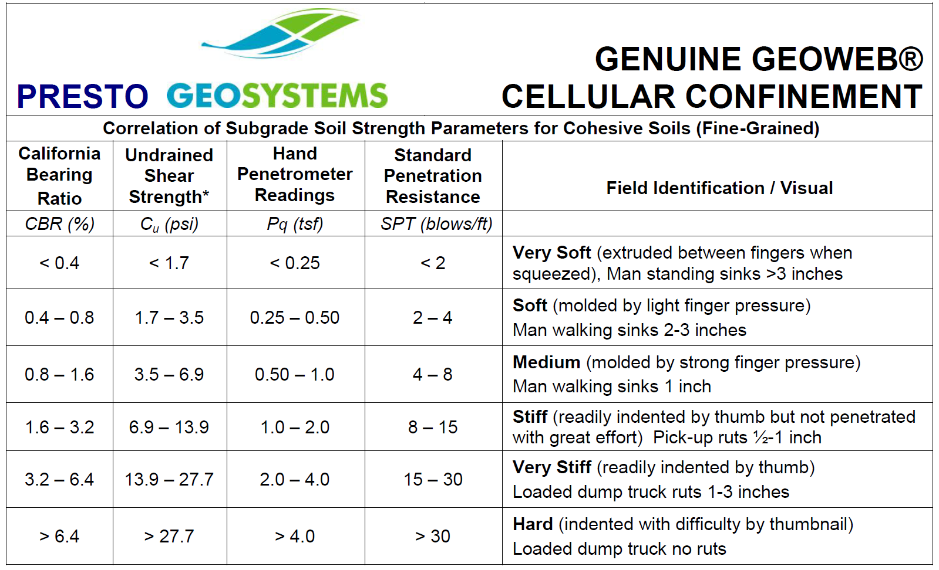
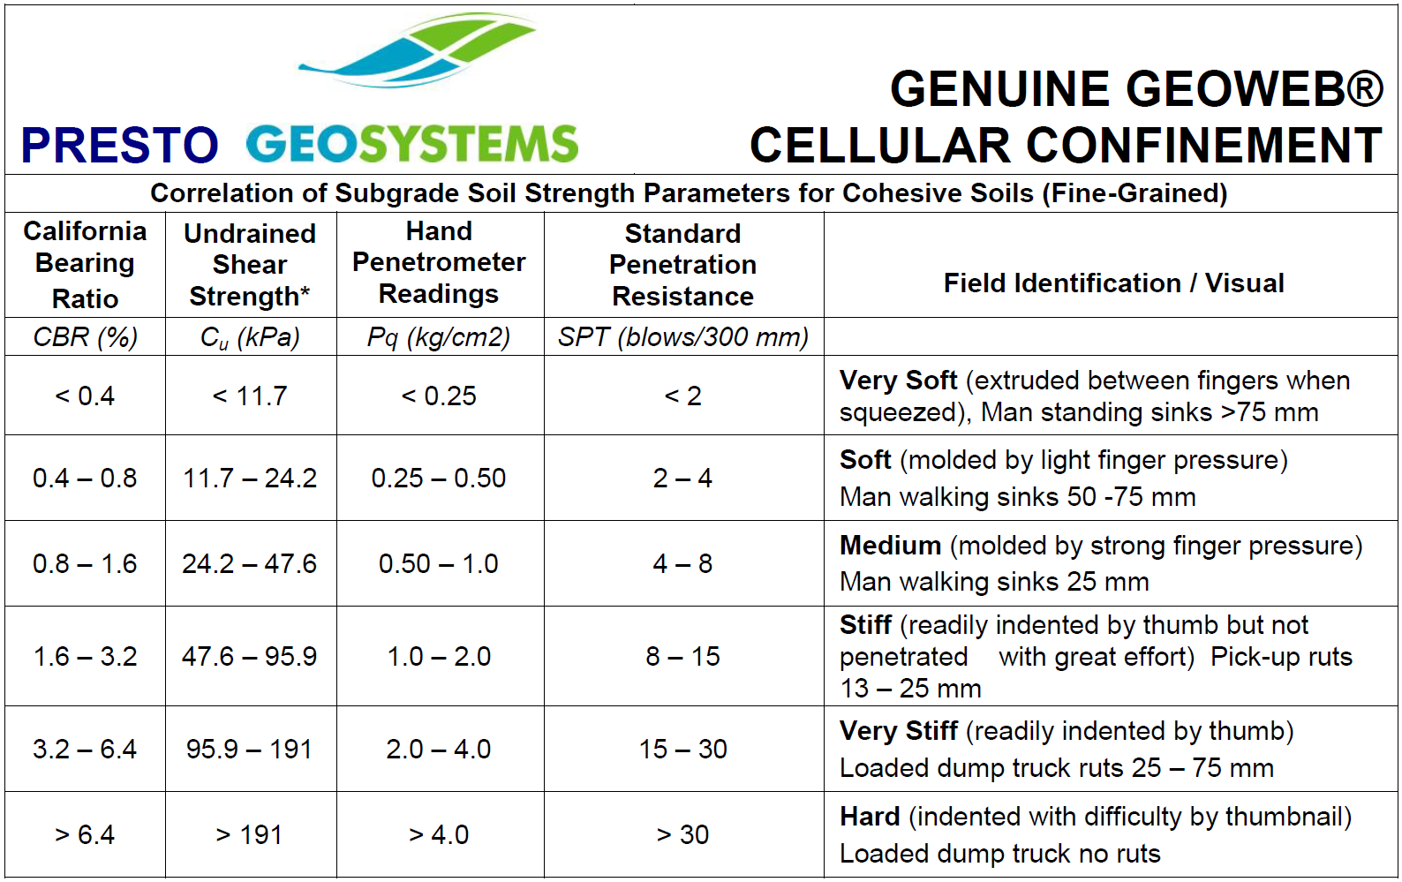
Imperial: GeoTerra Correlation Chart
Metric: GeoTerra Correlation Chart

